Sheet1
 | Document No. | Issue No. |  | Issue Date |  | Review and Replace Date |  | Authorised By
 | GFF337MC | 1 |  | 11.10.2021 |  | New Issue
 | Document Title | 10 Mini Beef & Horseradish Yorkshire Pudding 145g
 | New Xmas launch |  |  |  | Page |  | 1 of 1 | Magda Shah
Document amendments reason for change |  |  |  |  | Previous Issue Date |  | New Issue | Uncontrolled copy unless signed original

CBPUD-R1TEB | BOOTHS - XMAS |  | 10 Mini Beef & Horseradish Yorkshire Pudding 145g
STEP 1 |  |  |  |  | STEP 2
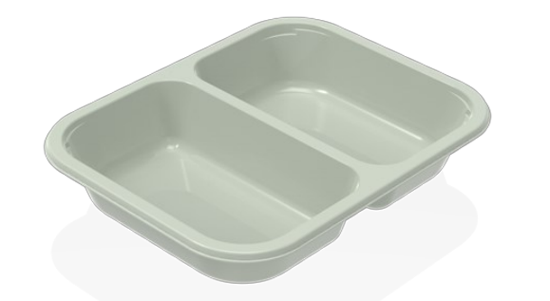 |  |  |  |  | 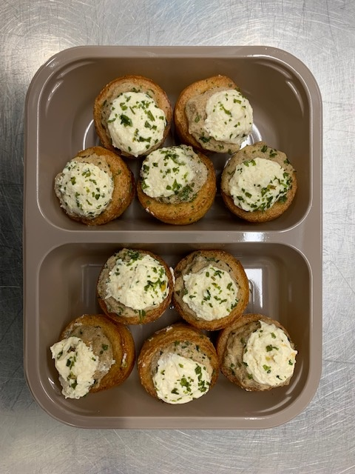

Tray: Evolve CPET 2200-2B (PKRHP001-11) |  |  |  |  | 10 x Mini Beef & Horseradish Yorkshire Pudding (RMFIN002-01) 14.5g
Film: Line 1: (PKWRA001-08) & (PKKMP001-01) | Line 2: (PKWRA001-02)
TOTAL WEIGHT: 145g

ALLERGY ALERT: Wheat, Egg, Milk, Mustard, Sulphites

